REPORT GENERATED
CJ60 PSJ AGEING RESULT
LOT DETAILS |  |  |  |  |  |  |  |  |  | AGEING DETAILS |  |  | FT Details | PART LOT OF CRITICAL PARTS
DATE | AGEING TIME | SMT SHIFT | SMT Line | Handwork Shift | HandWork Line | MODEL | ASSYCODE | KEPI LOT # | QTY | DEFECT QTY | AGEING Result | Remarks | FT Result | DB1 PART LOTNUMBER | IC1 PART LOTNUMBER | PC1 PART LOTNUMBER | D1 PART LOTNUMBER | D2 PART LOTNUMBER | T1 PART LOTNUMBER | QF1 PART LOTNUMBER
22-Jan-22 | 2 hours | DS | Line C | NS | 6 | DJ60 | 3280439 | KPI22106AGL0017 | 593 | 0 | PASSED |  | PASSED | 1PS03604205.1
 | 2 hours | DS | Line C | DS | 6 | DJ60 | 3280439 | KPI22106AGL0018 | 297 | 0 | PASSED |  | PASSED | 1PS03604205.1
 | 2 hours | DS | Line F | DS | 7 | DJ60 | 3280439 | KPI22106AGL0019 | 300 | 3 | FAILED | Location 101,23,24 | PASSED | 1PS03604205.1
 | 2 hours | DS | Line K | NS | 7 | DJ60 | 3280439 | KPI22106AGL0019 | 297 | 0 | PASSED |  | PASSED | 2SS05360202.2

DB1 Part Lot Number, IC1, PC1, D1, D2 Part Lot Number is the parts location. This was linked to SMT Form. The T1 Part Lot Number and QF1 Part Lot Number is linked to Handwork.
Example:
in DB1 Part Lot Number Column on the Report, it will get the part lot number on SMT Form, and check the corresponding Part Location. It will put the Part Lotnumber on the column DB1 Part Lot Number.

 |  |  |  |  |  |  |  |  | 300

Batch_Upload Master
Batch Upload Serial Master File
UPLOAD SERIAL

Part Lot No.

This is the master file for batch upload of serial number. This will be linked to the SMT Process and Handwork Process. See SMT Line Sheet for details

Assycode Location Master
Part Code Location Master

Please change to PART CODE LOCATION

This is the master file for Part Code Location. This will also be linked to SMT Process and Handwork Process. See SMT Line Sheet for details

SMT LINE
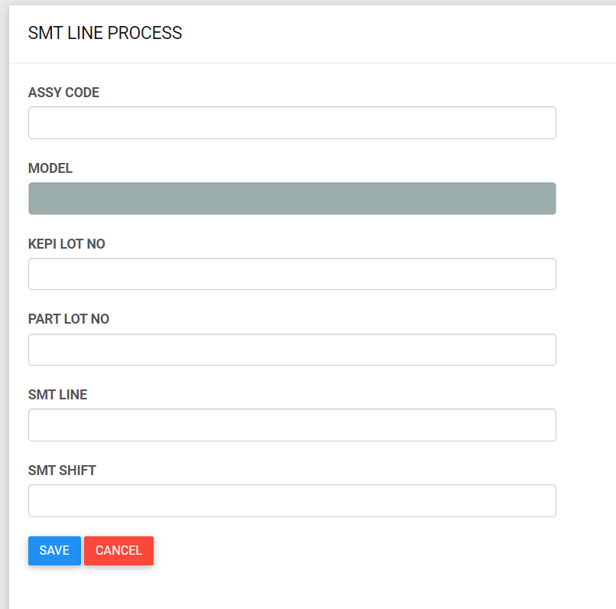

Scan Assy Code

Automatically fill-up. Linked to Material Master

Scan KEPI Lot No.

Part Lot No.
Scan Barcode Serial
Automatically fill-up part lot no. Linked to Batch Upload Master. Reference is the Barcode_serial on Batch Upload master

Part No.
Part Location
Automatically Fill-up Location. Linked to Assy Code Location Master. Reference is Part No. that is display on the form.
Automatically fill-up Part no. Linked to Batch Upload Master

SMT Line
Manual Input
Manual Input

HANDWORK
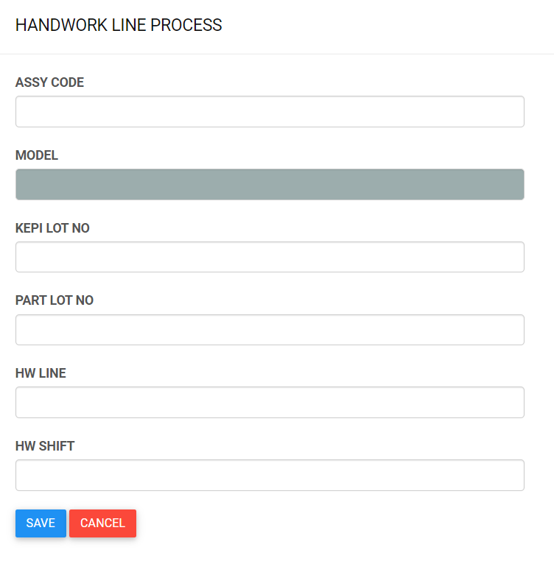

Scan Assy Code

Automatically fill-up. Linked to Material Master

Scan Kepi Lot No

Part Lot No.
Scan Barcode Serial
Automatically fill-up part lot no. Linked to Batch Upload Master. Reference is the Barcode_serial on Batch Upload master

Part No.
Part Location
Automatically fill-up Part no. Linked to Batch Upload Master
Automatically Fill-up Location. Linked to Assy Code Location Master. Reference is Part No. display on the form.

HW Line
Manual Input
Manual Input

AGEING Process
Automatically fill-up. Linked to SMT and handworked process
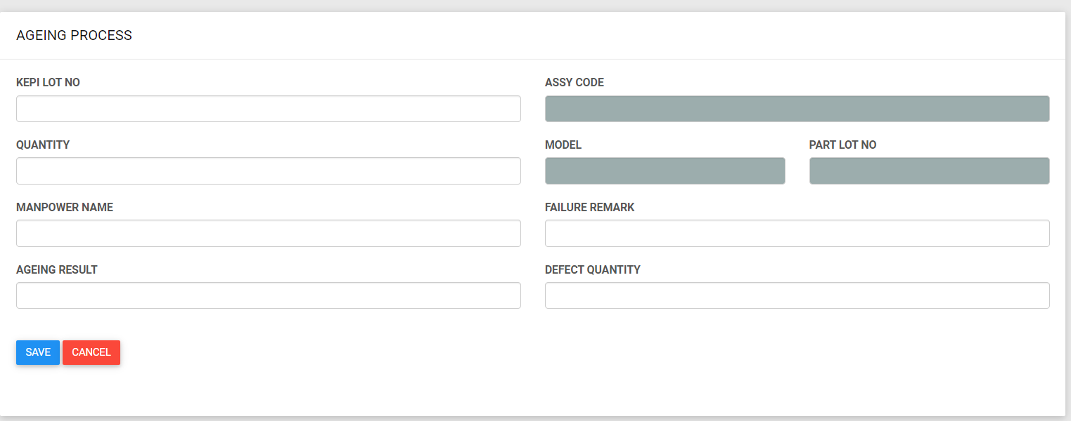

Scan Kepi Lot No
Automatically fill up once KEPI lot was scanned. This is linked to SMT and Handwork Process

This is a button. A list of Part Lot will pop-up. This list came from SMT and Handwork transactions based on KEPI Lot No. Below is the sample pop-up form display
Ageing Time
Ageing Result

Good
NG
select all

PartLot A
PartLot B
Manual Input
This field will be automatically displayed if Ageing Result is NG. This is manually inputted also.
PartLot C

PartLot D

You can select all or tick one by one. If Part A to Part C is good and part D is NG, the report on PartLot A to C is Good but PartLot D would be NG.

